Print Page 1
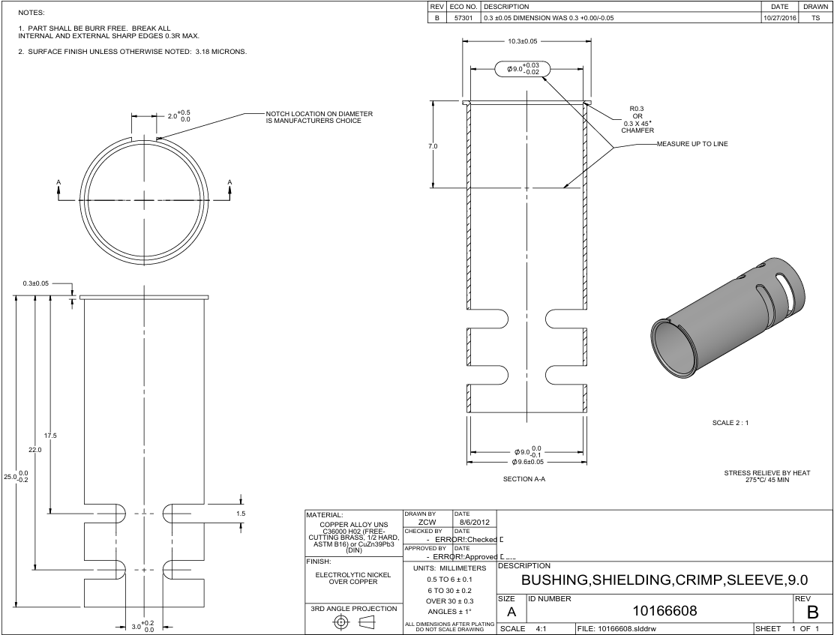
8
9

7

1

4
10

5
6
11

3

2

Tolerance Table
